Age distribution
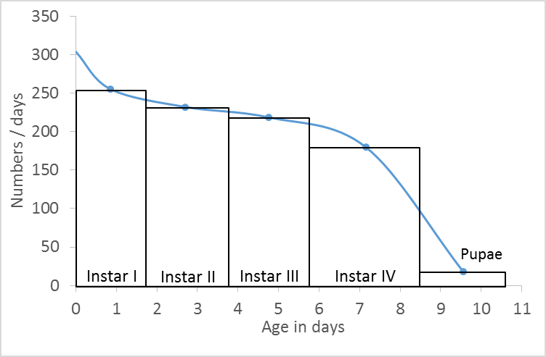
Age distribution of An. albimanus immatures in one natural breeding site in Nuquí, Chocó, Colombia.

Stage | Number | Duration [days] | Mid-point in the life of the stage | Number/days | Error
 |  |  | 0 | 304
Instar I | 434.0 | 1.7 | 0.85 | 255 | 9.45
Instar II | 464.0 | 2 | 2.70 | 232 | 7.15
Instar III | 459.0 | 2.1 | 4.75 | 219 | 10.49
Instar I
Instar IV | 486.0 | 2.7 | 7.15 | 180 | 14.34
Instar II
Instar III
Pupae | 39 | 2.1 | 9.55 | 19 | 1.46
 |  |  | 11 | 19
Instar IV

Life-tables
Life-tables of An. albimanus immatures

$$(N_{x})$$
$$(l_{x})$$
$$(d_{x})$$
$$(p_{x})$$
$$(q_{x})$$
$$(e_{x})$$
Nuquí, Colombia, June of 2002 (Rúa-Uribe & Zuluaga, 2003)
Age [days] | Number living | Fraction surviving | Frequency of deaths | Period survival | Period mortality | Expectation of life [days]
 |  |  |  |  |  |  | Average daily mortality
0 | 190 | 1000 | 0 | 1 | 0 | 4.053 | 0.25
1 | 190 | 1000 | 132 | 0.868 | 0.132 | 3.053
2 | 165 | 868 | 421 | 0.515 | 0.485 | 2.439
3 | 85 | 447 | 89 | 0.8 | 0.2 | 3.265
4 | 68 | 358 | 47 | 0.868 | 0.132 | 2.956
5 | 59 | 311 | 74 | 0.763 | 0.237 | 2.331
6 | 45 | 237 | 53 | 0.778 | 0.222 | 1.9
7 | 35 | 184 | 37 | 0.8 | 0.2 | 1.3
8 | 28 | 147 | 147 | 0 | 1 | 0.5

$$(N_{x})$$
$$(l_{x})$$
$$(d_{x})$$
$$(p_{x})$$
$$(q_{x})$$
$$(e_{x})$$
Nuquí, Colombia, June of 2003 (Rúa-Uribe & Zuluaga, 2003)
Age [days] | Number living | Fraction surviving | Frequency of deaths | Period survival | Period mortality | Expectation of life [days]
 |  |  |  |  |  |  | Average daily mortality
0 | 70 | 1000 | 29 | 0.971 | 0.029 | 4.743 | 0.21
1 | 68 | 971 | 143 | 0.853 | 0.147 | 3.868
2 | 58 | 829 | 143 | 0.828 | 0.172 | 3.448
3 | 48 | 686 | 157 | 0.771 | 0.229 | 3.063
4 | 37 | 529 | 157 | 0.703 | 0.297 | 2.824
5 | 26 | 371 | 86 | 0.769 | 0.231 | 2.808
6 | 20 | 286 | 71 | 0.75 | 0.25 | 2.5
7 | 15 | 214 | 43 | 0.8 | 0.2 | 2.167
8 | 12 | 171 | 43 | 0.75 | 0.25 | 1.583
9 | 9 | 129 | 86 | 0.333 | 0.667 | 0.944
10 | 3 | 43 | 29 | 0.333 | 0.667 | 0.833
11 | 1 | 14 | 14 | 0 | 1 | 0.5

$$(N_{x})$$
$$(l_{x})$$
$$(d_{x})$$
$$(p_{x})$$
$$(q_{x})$$
$$(e_{x})$$
María Chiquita, Panama, January to June of 1989 (González, 2005) Tank 1
Age [days] | Number living | Fraction surviving | Frequency of deaths | Period survival | Period mortality | Expectation of life [days]
 |  |  |  |  |  |  | Average daily mortality
0 | - | 1000 | 157 | 0.843 | 0.157 | 6.85 | 0.15
1 | - | 843 | 76 | 0.910 | 0.090 | 7.04
2 | - | 767 | 184 | 0.760 | 0.240 | 6.68
3 | - | 583 | 103 | 0.823 | 0.177 | 7.64
4 | - | 480 | 27 | 0.944 | 0.056 | 8.17
5 | - | 453 | 13 | 0.971 | 0.029 | 7.62
6 | - | 440 | 13 | 0.970 | 0.030 | 6.83
7 | - | 427 | 37 | 0.913 | 0.087 | 6.03
8 | - | 390 | 20 | 0.949 | 0.051 | 5.55
9 | - | 370 | 13 | 0.965 | 0.035 | 4.82
10 | - | 357 | 34 | 0.905 | 0.095 | 3.98
11 | - | 323 | 0 | 1.000 | 0.000 | 3.35
12 | - | 323 | 23 | 0.929 | 0.071 | 2.35
13 | - | 300 | 3 | 0.990 | 0.010 | 1.49
14 | - | 297 | 297 | 0.000 | 1.000 | 1.50

$$(N_{x})$$
$$(l_{x})$$
$$(d_{x})$$
$$(p_{x})$$
$$(q_{x})$$
$$(e_{x})$$
María Chiquita, Panama, January to June of 1989 (González, 2005) Tank 2
Age [days] | Number living | Fraction surviving | Frequency of deaths | Period survival | Period mortality | Expectation of life [days]
 |  |  |  |  |  |  | Average daily mortality
0 | - | 1000 | 83 | 0.917 | 0.083 | 7.35 | 0.14
1 | - | 917 | 54 | 0.941 | 0.059 | 6.97
2 | - | 863 | 130 | 0.849 | 0.151 | 6.37
3 | - | 733 | 43 | 0.941 | 0.059 | 6.42
4 | - | 690 | 73 | 0.894 | 0.106 | 5.79
5 | - | 617 | 64 | 0.896 | 0.104 | 5.41
6 | - | 553 | 93 | 0.832 | 0.168 | 4.98
7 | - | 460 | 17 | 0.963 | 0.037 | 4.88
8 | - | 443 | 136 | 0.693 | 0.307 | 4.05
9 | - | 307 | 40 | 0.870 | 0.130 | 4.63
10 | - | 267 | 20 | 0.925 | 0.075 | 4.25
11 | - | 247 | 47 | 0.810 | 0.190 | 3.55
12 | - | 200 | 7 | 0.965 | 0.035 | 3.27
13 | - | 193 | 10 | 0.948 | 0.052 | 2.37
14 |  | 183 | 6 | 0.967 | 0.033 | 1.47
15 |  | 177 | 177 | 0.000 | 1.000 | 1.50

Nuquí, Colombia, July of 2015 (This study)
Age [days] | Number living | Fraction surviving | Frequency of deaths | Period survival | Period mortality | Expectation of life [days] | Average daily mortality
$$(N_{x})$$
$$(l_{x})$$
$$(d_{x})$$
$$(p_{x})$$
$$(q_{x})$$
$$(e_{x})$$
0 | 302 | 1000.00 | 169.42 | 0.83 | 0.17 | 6.33 | 0.16
1 | 251 | 830.58 | 42.36 | 0.95 | 0.05 | 6.52
2 | 238 | 788.22 | 28.46 | 0.96 | 0.04 | 5.84
3 | 230 | 759.76 | 16.88 | 0.98 | 0.02 | 5.04
4 | 225 | 742.89 | 25.48 | 0.97 | 0.03 | 4.14
5 | 217 | 717.41 | 33.75 | 0.95 | 0.05 | 3.27
6 | 207 | 683.65 | 70.81 | 0.90 | 0.10 | 2.41
7 | 185 | 612.84 | 175.05 | 0.71 | 0.29 | 1.63
8 | 132 | 437.79 | 245.86 | 0.44 | 0.56 | 1.08
9 | 58 | 191.93 | 129.05 | 0.33 | 0.67 | 0.83
10 | 19 | 62.87 | 62.87 | 0.00 | 1.00 | 0.50
11 | 0 | 0 | 0.00 | 0.00 | 1.00 | 0.00

Instar mortalities
Instar mortalities of An. albimanus in one natural breeding site in Nuquí, Chocó, Colombia.

$$(i)$$
$$(d_{i})$$
$$(t_{i})$$
$$(D_{i})$$
Stage | Duration [days] | Age at the beginning of the stage [days] | No. entering stage | Deaths in stage | Relative proportion dying in stage | Accumulated Mortality [%]
$$({St}_{i})$$
$$({D_{i}/St}_{i})$$
Instar I | 1.7 | 0 | 302 | 62 | 0.21
Instar II | 2 | 1.7 | 240 | 15 | 0.06 | 20.53
Instar III | 2.1 | 3.7 | 225 | 15 | 0.07 | 25.50
Instar IV | 2.7 | 5.8 | 210 | 113 | 0.54 | 30.46
Pupae | 2.1 | 8.5 | 97 | 78 | 0.80 | 67.88
Adult |  | 10.6 | 19 |  |  | 93.71

